GUI CGI SPEC
Xmind
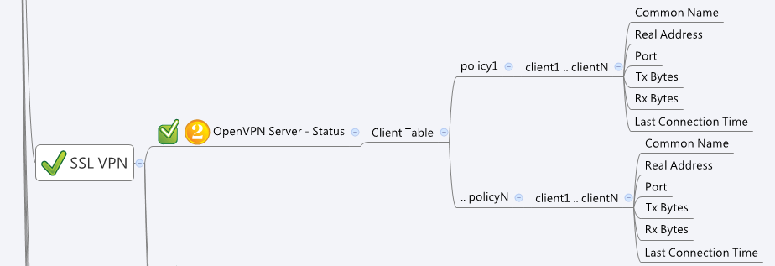

Behavior
1. Currently the system will udpate the client info every 30 seconds. If GUI need to have auto-referese method, please no shorter than the value.

[UI Display Name] | [CGI Name] | [JSON Name] | [Description] | Range / Default Value / Units
OpenVPN Server

 | openvpnServerClientList.cgi | guiOvpnCListTgid
OpenVPN Server Policy Name | openvpnServerClientList.cgi | guiOvpnCListT.name
 | openvpnServerClientList.cgi | guiOvpnCListT.name
Connected Client Number | openvpnServerClientList.cgi | guiOvpnCListT.clientNum

Common Name | openvpnServerClientList.cgi | guiOvpnCListT.clientInfoT.commonName
Real Address | openvpnServerClientList.cgi | guiOvpnCListT.clientInfoT.realAddress
Port | openvpnServerClientList.cgi | guiOvpnCListT.clientInfoT.port
Tx Bytes | openvpnServerClientList.cgi | guiOvpnCListT.clientInfoT.txBytes
Rx Bytes | openvpnServerClientList.cgi | guiOvpnCListT.clientInfoT.rxBytes
Last Connection Time | openvpnServerClientList.cgi | guiOvpnCListT.clientInfoT.time | from time(NULL). seconds since the Epoch

JSON String
{
"guiOvpnCListT":[
{
"gid":272629760,
"name":"Test1",
"clientNum":1,
"clientInfoT":[
{
"commonName":"UNDEF",
"realAddress":"192.168.100.106",
"port":1039,
"txBytes":"33680",
"rxBytes":"37595",
"time":1416923208
}
]
},
{
"gid":272629761,
"name":"Test2",
"clientNum":0,
"clientInfoT":[
]
}
]
}

